Blad1
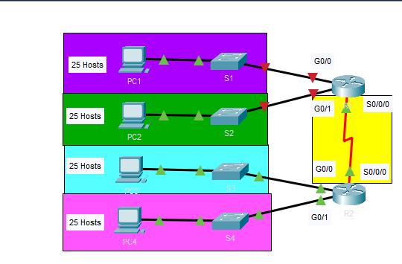
Device | Interface | IP Address | Subnet Mask | Default Gateway
R1 | G0/0 | 192.168.100.1 | 255.255.255.224 | N/A
R1 | G0/1 | 192.168.100.33 | 255.255.255.224 | N/A |  |  |  |  |  |  | Question 1: Based on the topology, how many subnets are needed?
R1 | S0/0/0 | 192.168.100.129 | 255.255.255.224 | N/A |  |  |  |  |  |  | Answer 1: 5
R2 | G0/0 | 192.168.100.65 | 255.255.255.224 | N/A
R2 | G0/1 | 192.168.100.97 | 255.255.255.224 | N/A |  |  |  |  |  |  | Question 2: How many bits must be borrowed to support the number of subnets in the topology table?
R2 | S0/0/0 | 192.168.100.158 | 255.255.255.224 | N/A |  |  |  |  |  |  | Answer 2: 3
S1 | VLAN 1 | 192.168.100.2 | 255.255.255.224 | 192.168.100.1
S2 | VLAN 1 | 192.168.100.34 | 255.255.255.224 | 192.168.100.33 |  |  |  |  |  |  | Question 3: How many subnets does this create?
S3 | VLAN 1 | 192.168.100.66 | 255.255.255.224 | 192.168.100.65 |  |  |  |  |  |  | Answer 3: 8
S4 | VLAN 1 | 192.168.100.96 | 255.255.255.224 | 192.168.100.97
PC1 | NIC | 192.168.100.30 | 255.255.255.224 | 192.168.100.1 |  |  |  |  |  |  | Question 4: How many usable hosts does this create per subnet?
PC2 | NIC | 192.168.100.62 | 255.255.255.224 | 192.168.100.33 |  |  |  |  |  |  | Answer 4: 30
PC3 | NIC | 192.168.100.94 | 255.255.255.224 | 192.168.100.65
PC4 | NIC | 192.168.100.126 | 255.255.255.224 | 192.168.100.97

Subnet | Network Address | Bit 7 | Bit 6 | Bit 5 | Bit 4 | Bit 3 | Bit 2 | Bit 1 | Bit 0
0 | 192.168.100. | 0 | 0 | 0 | 0 | 0 | 0 | 0 | 0
1 | 192.168.100. | 0 | 0 | 1 | 0 | 0 | 0 | 0 | 0
2 | 192.168.100. | 0 | 1 | 0 | 0 | 0 | 0 | 0 | 0
3 | 192.168.100. | 0 | 1 | 1 | 0 | 0 | 0 | 0 | 0
4 | 192.168.100. | 1 | 0 | 0 | 0 | 0 | 0 | 0 | 0

First Octet | Second Octet | Third Octet | Mask Bit 7 | Mask Bit 6 | Mask Bit 5 | Mask Bit 4 | Mask Bit 3 | Mask Bit 2 | Mask Bit 1 | Mask Bit 0
11111111 | 11111111 | 11111111 | 1 | 1 | 1 | 0 | 0 | 0 | 0 | 0
First Decimal Octet | Second Decimal Octet | Third Decimal Octet | Fourth Decimal Octet
255. | 255. | 255. | 224

Subnet Number | Subnet Address | First Usable Host Address | Last Usable Host Address | Broadcast Address
0 | 192.168.100.0 | 192.168.100.1 | 192.168.100.30 | 192.168.100.31
1 | 192.168.100.32 | 192.168.100.33 | 192.168.100.62 | 192.168.100.63
2 | 192.168.100.64 | 192.168.100.65 | 192.168.100.94 | 192.168.100.95
3 | 192.168.100.96 | 192.168.100.97 | 192.168.100.126 | 192.168.100.127
4 | 192.168.100.128 | 192.168.100.129 | 192.168.100.158 | 192.168.100.159
5 | 192.168.100.160 | 192.168.100.161 | 192.168.100.190 | 192.168.100.191
6 | 192.168.100.192 | 192.168.100.193 | 192.168.100.222 | 192.168.100.223
7 | 192.168.100.224 | 192.168.100.225 | 192.168.100.254 | 192.168.100.255
8 | 192.168.100.256 | 192.168.100.257 | 192.168.100.286 | 192.168.100.287
9 | 192.168.100.288 | 192.168.100.289 | 192.168.100.318 | 192.168.100.319
10 | 192.168.100.320 | 192.168.100.321 | 192.168.100.350 | 192.168.100.351

PREFIX | SUBNET MASK | BINARY | NO. OF SUBNETS | NO. OF HOSTS PER SUBNET
/24 | 255.255.255.0 | 11111111.11111111.11111111.00000000 | 2^0=1 | 2^8-2=256-2=254
/25 | 255.255.255.128 | 11111111.11111111.11111111.10000000 | 2^1=2 | 2^7-2=128-2=126
/26 | 255.255.255.192 | 11111111.11111111.11111111.11000000 | 2^2=4 | 2^6-2=64-2=62
/27 | 255.255.255.224 | 11111111.11111111.11111111.11100000 | 2^3=8 | 2^5-2=32-2=30
/28 | 255.255.255.240 | 11111111.11111111.11111111.11110000 | 2^4=16 | 2^4-2=16-2=14
/29 | 255.255.255.248 | 11111111.11111111.11111111.11111000 | 2^5=32 | 2^3-2=8-2=6
/30 | 255.255.255.252 | 11111111.11111111.11111111.11111100 | 2^6=64 | 2^2-2=4-2=2

